Sorting and Filtering Screensho
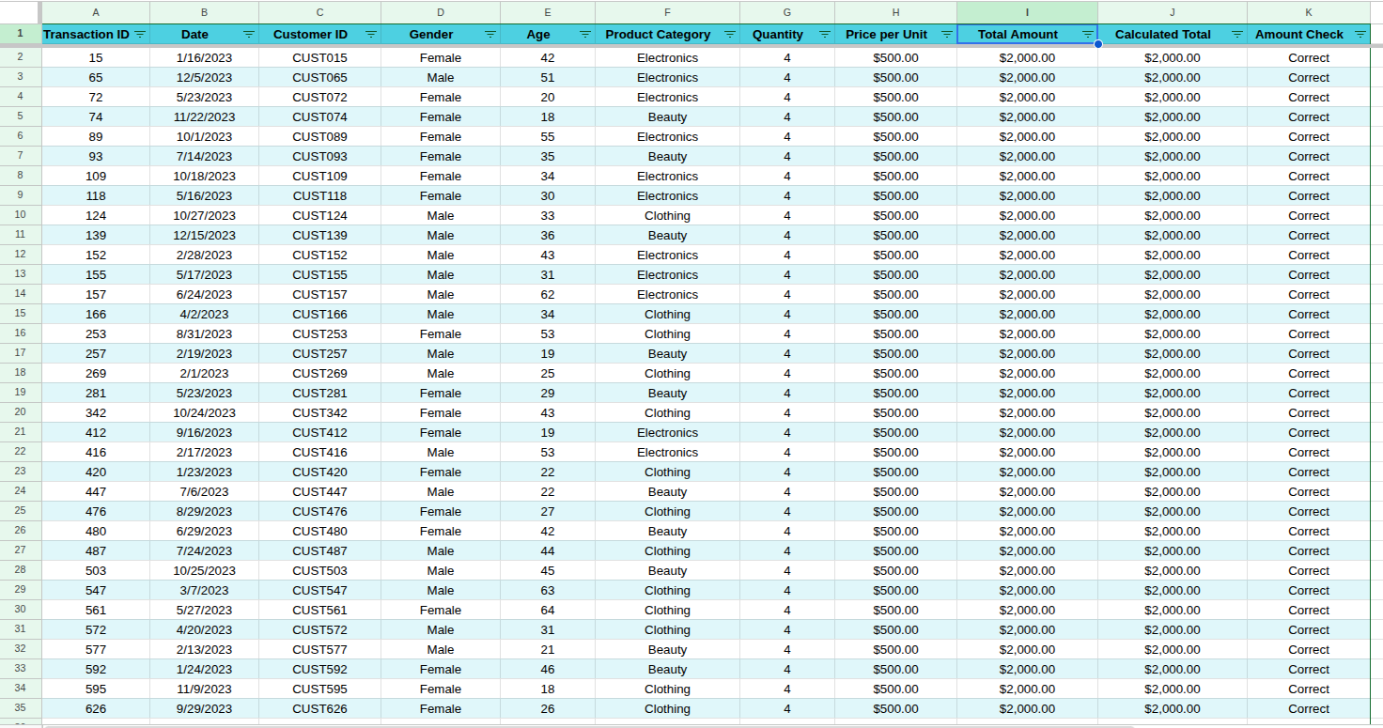
HIGHEST TOTAL AMOUNT:

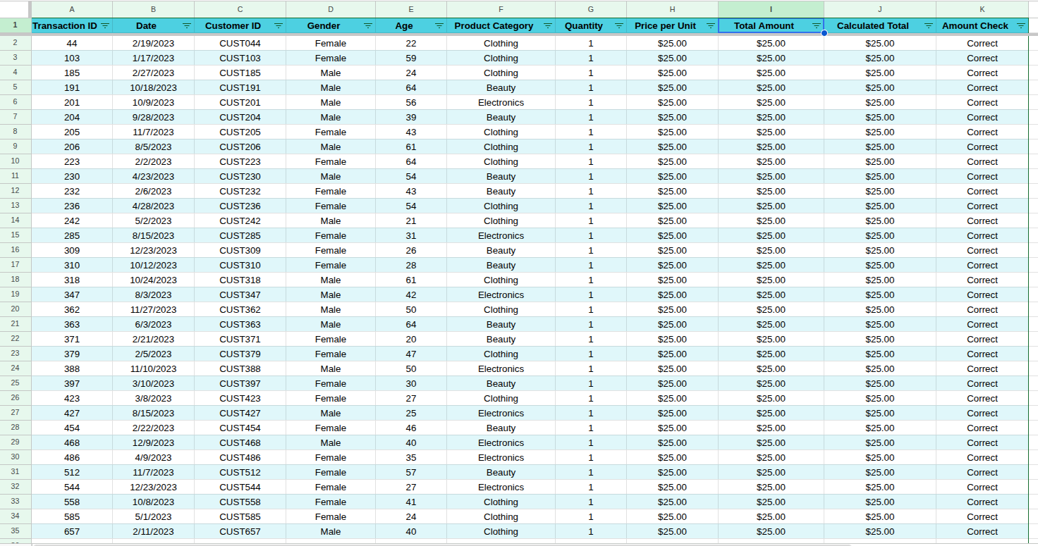
LOWEST TOTAL AMOUNT:

PRODUCT CATEGORY = CLOTHING
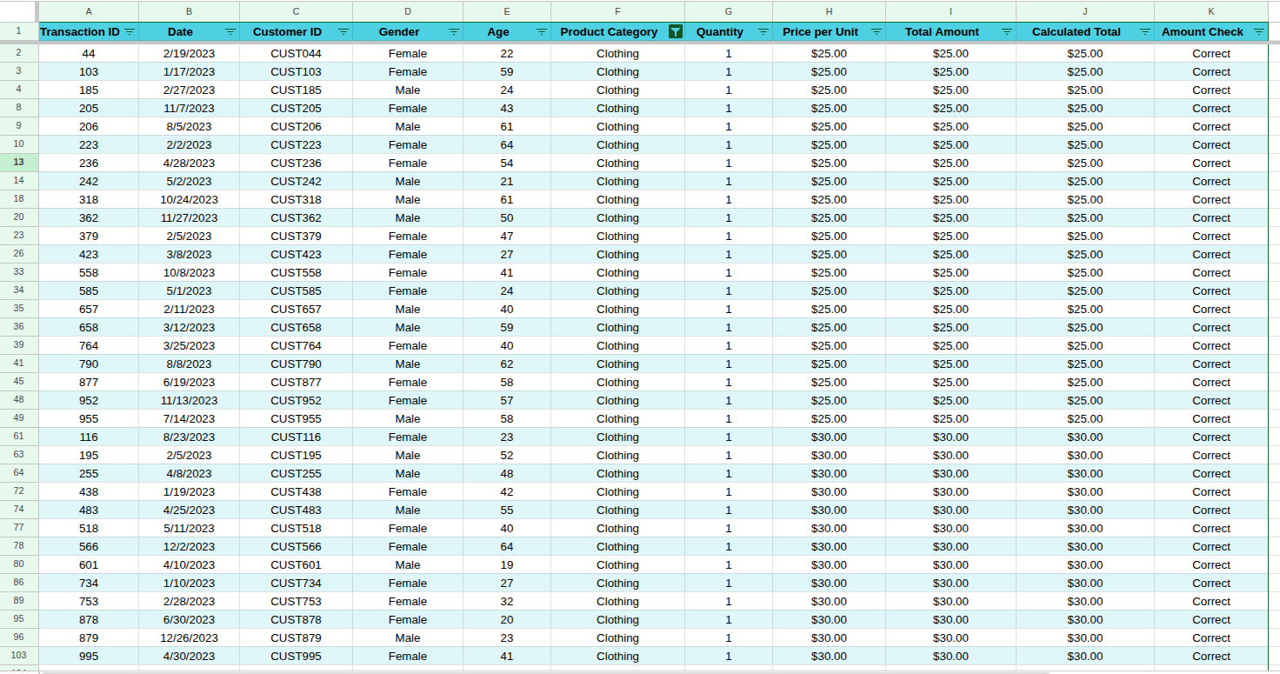

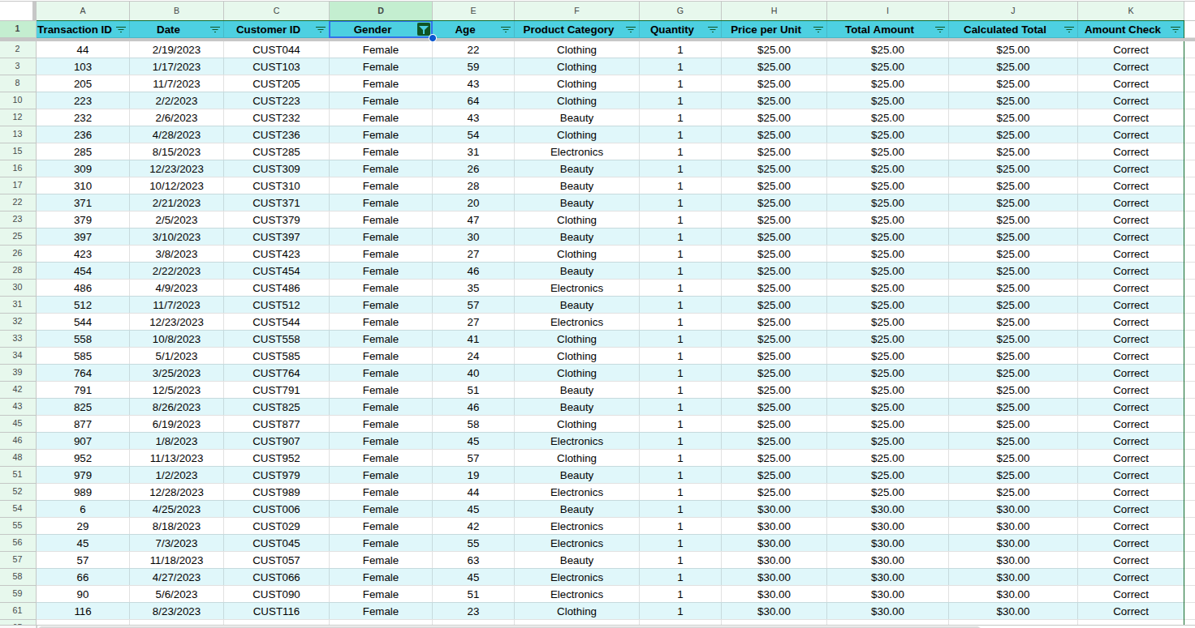
GENDER = FEMALE

QUANTITY > 2
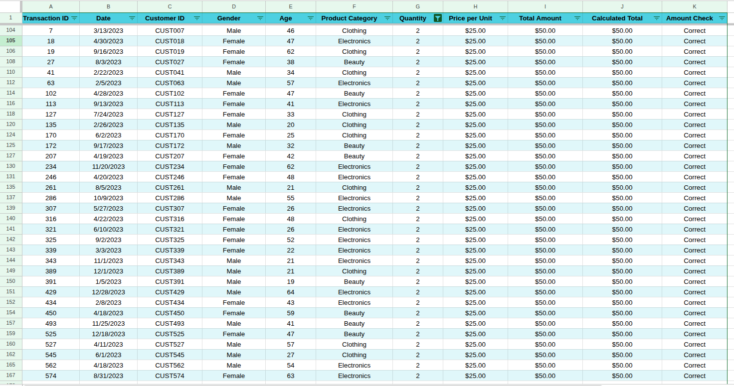

SORTED BY TOTAL AMOUNT (HIGHEST TO LOWEST)

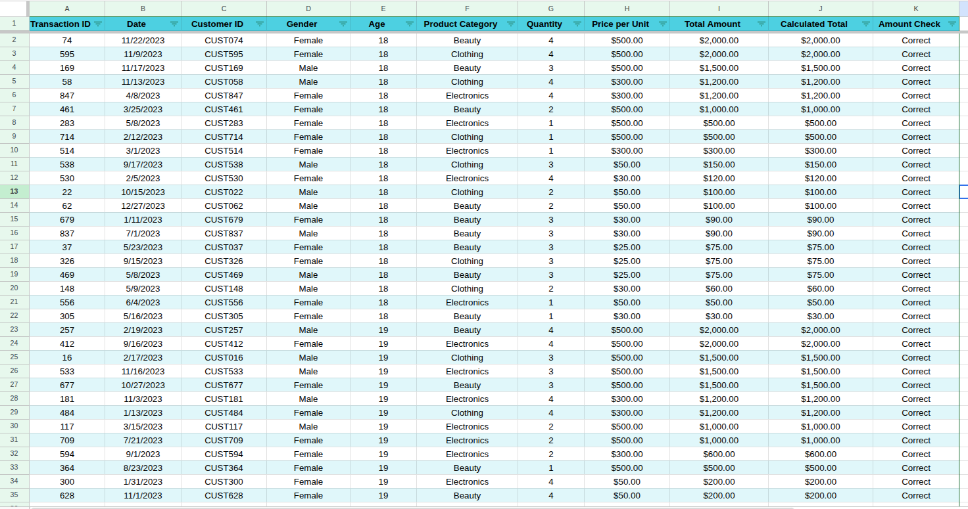
SORTED BY AGE (YOUNGEST TO OLDEST)

Charts
Total Sale By Product Category
Total Quantity Sold By Product Category

Total Sales by Gender
Total Sales By Age Group

Power BI Dashboard
